Hiearchy View
CLASS: WORKSTATION
a special computer designed for technical or scientific applications. Intended primarily to be used by a single user, they are commonly connected to a local area network and run multi-user operating systems. |  | 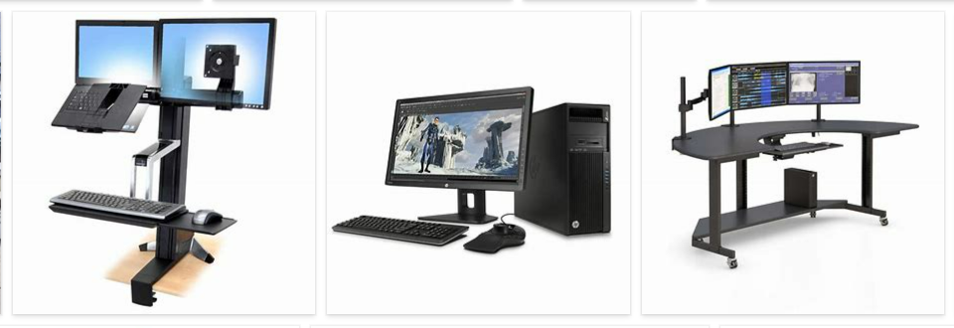
REMOVE | N

PROBLEM_DESC | CAUSE_DESC | REMEDY_DESC
ALARM/SENSOR
BROKEN/DAMAGED
OTHER PROBLEM
POWER-ELEC
STOPPED/SLOWED/POOR OPS
TEMP-CTRL
VIBRATION
Grand Total

